Sheet2
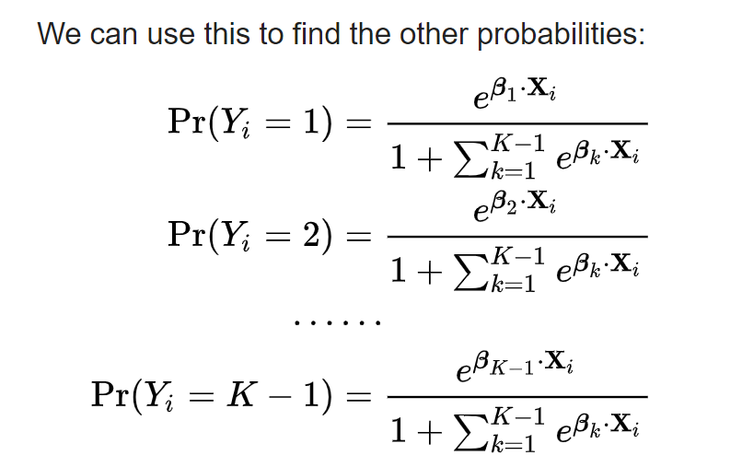

P(Matured) $=\frac{e^{y(Matured)}}{1+e^{y(Matured)}+e^{y(New)}}$

P(New) $=\frac{e^{y(New)}}{1+e^{y(Matured)}+e^{y(New)}}$

P(Growing) $=1 −(P\left(Matured\right)+P\left(New\right))$

